Introduction
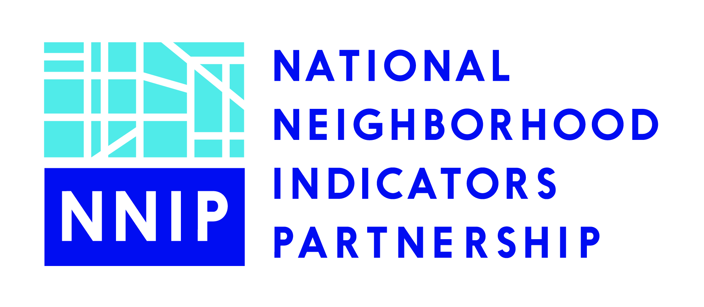
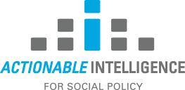
Catalog of Established and Emergent Integrated Data Systems
Four organizations (Actionable Intelligence for Social Policy, the Data Quality Campaign, the National League of Cities and the National Neighborhood Indicators Partnership) have compiled a list of established and emergent Integrated Data Systems across the United States. (See "IDS Catalog" worksheet. ) We intend the list to be a work in progress, and will update it periodically as we learn of new developments.
If you would like to make corrections to an entry or suggest a new listing, please email Alexandra Derian at aderian@urban.org.
For more information about the organizations and their interest in IDS, see http://www.neighborhoodindicators.org/resources-integrated-data-systems-ids.

SLDS
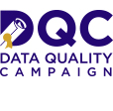
Many states maintain state longitudinal data systems (SLDS). SLDS contain de-identified data on students enrolled in public schools and universities through preschool, high school, and college as well as workforce data. Some SLDS are taking steps to link data from other public agencies. In each of the past several years, the Data Quality Campaign (DQC) has conducted a survey of the states to collect information on emerging data issues and progress towards DQC's 10 State Actions. SLDS that do not link to other agencies or SLDS where linkages have not been confirmed are not included in our IDS catalog. For more information about SLDS and the results of the DQC survey of states, see http://dataqualitycampaign.org/your-states-progress/by-state/overview/ More information on the survey is available here: http://dataqualitycampaign.org/your-states-progress/about-data-for-action/ More information on DQC's 10 State Actions is available here: http://dataqualitycampaign.org/your-states-progress/10-state-actions/

